Intro
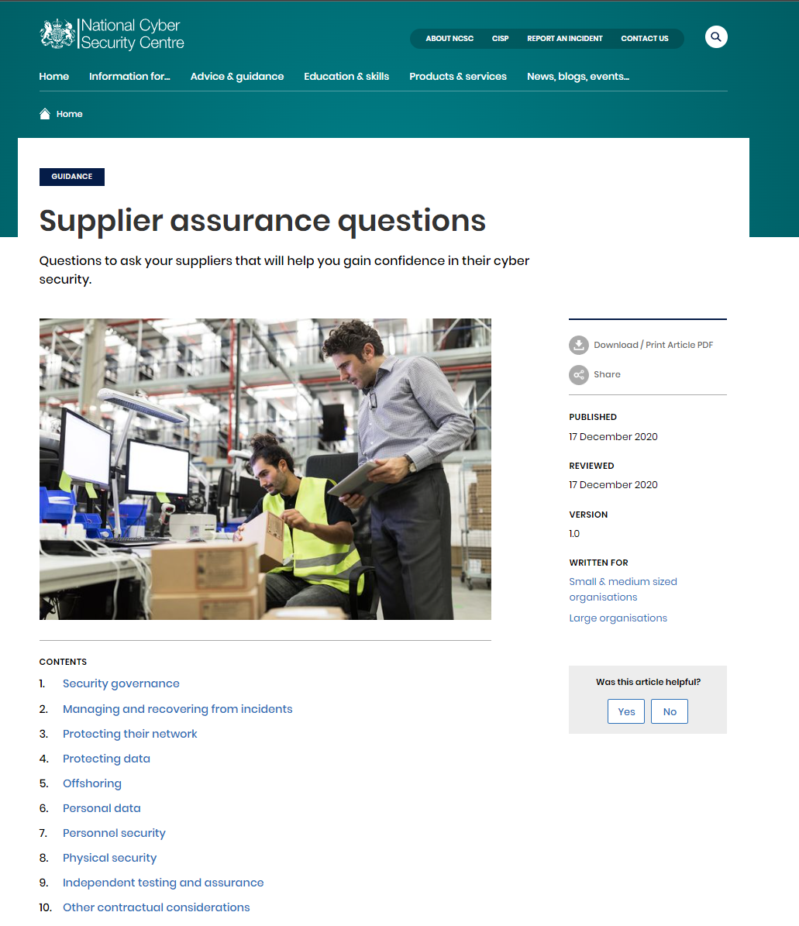
Supplier Assurance Questions (abstracted from the UK NCSC Guidance)

This has been created based upon the work on UK NCSC. Please read the guidance from the NCSC and check for updates.
Supplier assurance questions - NCSC.GOV.UK
Thanks NCSC Team! National Cyber Security Centre - NCSC.GOV.UK
This has been produced to help people expidite understaning of the materials.
use at own risk etc. etc.

